STD GBM MC
N Iter | Code | MC estimate | 95% CI | Radius of CI | absolute error | elapsed time (seconds) |  | N Iter | Code | MC estimate | 95% CI | Radius of CI | absolute error | elapsed time (seconds)
10 | VBA | 16.398326912 | 5,96616337289707 < price < 26,8304904510529 | 10.432163539 | -1.6441297677 | 0.0293 |  | 10 | C++ | 18.6751 | 2.51463 < price < 34.8356 | 16.1605 | 0.63264332034 | 0.087
25 | VBA | 19.255805158 | 13,544063430692 < price < 24,967546885314 | 5.7117417273 | 1.2133484783 | 0.05762 |  | 25 | C++ | 22.2849 | 16.9204 < price < 27.6493 | 5.36445 | 4.2424433203 | 0.121
50 | VBA | 18.330582614 | 14,5133921552041 < price < 22,1477730734861 | 3.8171904591 | 0.28812593468 | 0.09033 |  | 50 | C++ | 18.8837 | 15.1976 < price < 22.5698 | 3.68608 | 0.84124332034 | 0.236
75 | VBA | 18.703492318 | 15,4115115867684 < price < 21,9954730483459 | 3.2919807308 | 0.66103563789 | 0.13379 |  | 75 | C++ | 14.7313 | 11.7322 < price < 17.7303 | 2.99903 | -3.3111566797 | 0.339
100 | VBA | 19.59629157 | 16,559574856954 < price < 22,6330082820462 | 3.0367167125 | 1.5538348898 | 0.16406 |  | 100 | C++ | 19.8197 | 16.4508 < price < 23.1887 | 3.36893 | 1.7772433203 | 0.446
250 | VBA | 17.852151151 | 15,8780854665118 < price < 19,8262168354703 | 1.9740656845 | -0.19030552867 | 0.39893 |  | 250 | C++ | 18.7523 | 16.6146 < price < 20.8899 | 2.13766 | 0.70984332034 | 1.136
500 | VBA | 18.499157878 | 17,1144033161564 < price < 19,8839124388674 | 1.3847545614 | 0.45670119785 | 0.75781 |  | 500 | C++ | 18.5892 | 17.1752 < price < 20.0033 | 1.41408 | 0.54674332034 | 2.315
750 | VBA | 17.824416617 | 16,7775662257626 < price < 18,871267008092 | 1.0468503912 | -0.21804006274 | 1.12012 |  | 750 | C++ | 17.715 | 16.5718 < price < 18.8582 | 1.14322 | -0.32745667966 | 3.417
1,000 | VBA | 17.953437876 | 17,0287144820951 < price < 18,8781612698264 | 0.92472339387 | -0.089018803703 | 1.51221 |  | 1,000 | C++ | 17.9113 | 16.9557 < price < 18.8668 | 0.955584 | -0.13115667966 | 4.487
2,500 | VBA | 18.252507505 | 17,6486273210359 < price < 18,856387688838 | 0.6038801839 | 0.21005082527 | 3.93506 |  | 2,500 | C++ | 18.1922 | 17.5816 < price < 18.8029 | 0.610626 | 0.14974332034 | 11.366
5,000 | VBA | 18.302793307 | 17,8919769937969 < price < 18,713609619941 | 0.41081631307 | 0.26033662721 | 8.04932 |  | 5,000 | C++ | 17.9892 | 17.5588 < price < 18.4197 | 0.43043 | -0.053256679663 | 22.651
7,500 | VBA | 17.897333378 | 17,5711034308828 < price < 18,2235633252234 | 0.32622994717 | -0.14512330161 | 11.31006 |  | 7,500 | C++ | 17.9775 | 17.6266 < price < 18.3284 | 0.350903 | -0.064956679663 | 34.507
10,000 | VBA | 17.951508065 | 17,6599207785818 < price < 18,2430953509449 | 0.29158728618 | -0.0909486149 | 15.10156 |  | 10,000 | C++ | 18.221 | 17.9152 < price < 18.5269 | 0.305836 | 0.17854332034 | 48.686
25,000 | VBA | 17.976064116 | 17,7845215618711 < price < 18,1676066692378 | 0.19154255368 | -0.066392564109 | 39.24805 |  | 25,000 | C++ | 17.9186 | 17.7256 < price < 18.1116 | 0.192989 | -0.12385667966 | 117.647
50,000 | VBA | 18.173374181 | 18,0374114663369 < price < 18,3093368962546 | 0.13596271496 | 0.13091750163 | 90.87598 |  | 50,000 | C++ | 17.9736 | 17.8375 < price < 18.1097 | 0.136112 | -0.068856679663 | 226.385
75,000 | VBA | N/A | N/A | N/A | N/A | N/A |  | 75,000 | C++ | 18.1111 | 17.9997 < price < 18.2225 | 0.111408 | 0.068643320337 | 376.263
100,000 | VBA | N/A | N/A | N/A | N/A | N/A |  | 100,000 | C++ | 18.0982 | 18.0021 < price < 18.1944 | 0.0961904 | 0.055743320337 | 456.38

N Iter | LN(N Iter) | CF Solution | MC Estimate | absolute error | LN(|absolute error|) | radius | LN(radius)
10 | 2.30 | 18.04245668 | 18.6751 | 0.63264332034 | -0.45784849063 | 16.1605 | 2.7825699932
25 | 3.22 | 18.04245668 | 22.2849 | 4.2424433203 | 1.4451393581 | 5.36445 | 1.6797938545
50 | 3.91 | 18.04245668 | 18.8837 | 0.84124332034 | -0.17287433822 | 3.68608 | 1.3045635628
75 | 4.32 | 18.04245668 | 14.7313 | -3.3111566797 | 1.1972975784 | 2.99903 | 1.0982889031
100 | 4.61 | 18.04245668 | 19.8197 | 1.7772433203 | 0.57506346739 | 3.36893 | 1.2145951865
250 | 5.52 | 18.04245668 | 18.7523 | 0.70984332034 | -0.34271100888 | 2.13766 | 0.75971177283
500 | 6.21 | 18.04245668 | 18.5892 | 0.54674332034 | -0.60377583653 | 1.41408 | 0.34647914296
750 | 6.62 | 18.04245668 | 17.715 | -0.32745667966 | -1.1163995085 | 1.14322 | 0.13384884223
1,000 | 6.91 | 18.04245668 | 17.9113 | -0.13115667966 | -2.0313626425 | 0.955584 | -0.045432607078
2,500 | 7.82 | 18.04245668 | 18.1922 | 0.14974332034 | -1.8988326484 | 0.610626 | -0.49327061852
5,000 | 8.52 | 18.04245668 | 17.9892 | -0.053256679663 | -2.9326320426 | 0.43043 | -0.84297056996
7,500 | 8.92 | 18.04245668 | 17.9775 | -0.064956679663 | -2.734034698 | 0.350903 | -1.047245447
10,000 | 9.21 | 18.04245668 | 18.221 | 0.17854332034 | -1.7229240162 | 0.305836 | -1.1847062684
25,000 | 10.13 | 18.04245668 | 17.9186 | -0.12385667966 | -2.088630191 | 0.192989 | -1.6451220865
50,000 | 10.82 | 18.04245668 | 17.9736 | -0.068856679663 | -2.6757280409 | 0.136112 | -1.9942772027
75,000 | 11.23 | 18.04245668 | 18.1111 | 0.068643320337 | -2.6788314518 | 0.111408 | -2.1945561408
100,000 | 11.51 | 18.04245668 | 18.0982 | 0.055743320337 | -2.8869976904 | 0.0961904 | -2.3414257184

GBM Price Convergence (1/2)
GBM Price Convergence (2/2)
Time elapsed after n iterations (Standard GBM MC)

JD MC
N Iter | Code | MC estimate | 95% CI | Radius of CI | absolute error | elapsed time (seconds) |  | N Iter | Code | MC estimate | 95% CI | Radius of CI | absolute error | elapsed time (seconds)
10 | VBA | 15.561562869 | 6,80025023326506 < price < 24,3228755043001 | 8.7613126355 | -2.4868317283 | 96.23438 |  | 10 | C++ | 14.1015 | 4.61979 < price < 23.5832 | 9.48172 | -3.9468945971 | 0.094
25 | VBA | 18.864334814 | 12,9397145529459 < price < 24,7889550755932 | 5.9246202613 | 0.81594021719 | 260.88281 |  | 25 | C++ | 16.866 | 11.5928 < price < 22.1391 | 5.27318 | -1.1823945971 | 0.219
50 | VBA | 22.910880678 | 17,8977423787876 < price < 27,9240189764935 | 5.0131382989 | 4.8624860806 | 340.77344 |  | 50 | C++ | 21.6717 | 17.0406 < price < 26.3028 | 4.63106 | 3.6233054029 | 0.422
75 | VBA | 17.100194554 | 13,0861141429138 < price < 21,1142749645468 | 4.0140804108 | -0.94820004335 | 542.23828 |  | 75 | C++ | 18.6718 | 15.3149 < price < 22.0286 | 3.35689 | 0.62340540292 | 0.635
100 | VBA | 20.607461283 | 17,5678399771691 < price < 23,6470825895827 | 3.0396213062 | 2.5590666863 | 665.56641 |  | 100 | C++ | 18.1092 | 15.1071 < price < 21.1113 | 3.0021 | 0.060805402917 | 0.844
250 | VBA | 18.222469109 | 16,3377276529717 < price < 20,1072105646774 | 1.8847414559 | 0.17407451174 | 1606.77734 |  | 250 | C++ | 18.152 | 16.3039 < price < 20.0001 | 1.8481 | 0.10360540292 | 2.306
500 | VBA | N/A | N/A | N/A | N/A | N/A |  | 500 | C++ | 20.094 | 18.7619 < price < 21.426 | 1.33208 | 2.0456054029 | 4.162
750 | VBA | N/A | N/A | N/A | N/A | N/A |  | 750 | C++ | 16.7519 | 15.7487 < price < 17.7551 | 1.0032 | -1.2964945971 | 6.248
1,000 | VBA | N/A | N/A | N/A | N/A | N/A |  | 1,000 | C++ | 18.5286 | 17.5729 < price < 19.4843 | 0.955745 | 0.48020540292 | 8.346
2,500 | VBA | N/A | N/A | N/A | N/A | N/A |  | 2,500 | C++ | 18.1276 | 17.5351 < price < 18.7201 | 0.592504 | 0.079205402917 | 22.492
5,000 | VBA | N/A | N/A | N/A | N/A | N/A |  | 5,000 | C++ | 18.1173 | 17.6915 < price < 18.5431 | 0.425781 | 0.068905402917 | 41.764
7,500 | VBA | N/A | N/A | N/A | N/A | N/A |  | 7,500 | C++ | 18.4067 | 18.0528 < price < 18.7606 | 0.353911 | 0.35830540292 | 62.566
10,000 | VBA | N/A | N/A | N/A | N/A | N/A |  | 10,000 | C++ | 18.2387 | 17.9289 < price < 18.5486 | 0.309888 | 0.19030540292 | 93.503
25,000 | VBA | N/A | N/A | N/A | N/A | N/A |  | 25,000 | C++ | 17.9807 | 17.7869 < price < 18.1745 | 0.193801 | -0.067694597083 | 219.078
50,000 | VBA | N/A | N/A | N/A | N/A | N/A |  | 50,000 | C++ | 18.0366 | 17.9001 < price < 18.1732 | 0.13655 | -0.011794597083 | 425.437
75,000 | VBA | N/A | N/A | N/A | N/A | N/A |  | 75,000 | C++ | 18.0625 | 17.9512 < price < 18.1738 | 0.11128 | 0.014105402917 | 643.012
100,000 | VBA | N/A | N/A | N/A | N/A | N/A |  | 100,000 | C++ | 18.074 | 17.9776 < price < 18.1703 | 0.096335 | 0.025605402917 | 837.338

N Iter | LN(N Iter) | CF Solution | MC Estimate | absolute error | LN(|absolute error|) | radius | LN(radius)
10 | 2.30 | 18.048394597 | 14.1015 | -3.9468945971 | 1.3729290918 | 9.48172 | 2.2493657344
25 | 3.22 | 18.048394597 | 16.866 | -1.1823945971 | 0.16754170175 | 5.27318 | 1.6626335961
50 | 3.91 | 18.048394597 | 21.6717 | 3.6233054029 | 1.2873867039 | 4.63106 | 1.5327857836
75 | 4.32 | 18.048394597 | 18.6718 | 0.62340540292 | -0.47255824483 | 3.35689 | 1.2110149501
100 | 4.61 | 18.048394597 | 18.1092 | 0.060805402917 | -2.8000766302 | 3.0021 | 1.0993120438
250 | 5.52 | 18.048394597 | 18.152 | 0.10360540292 | -2.2671657988 | 1.8481 | 0.61415808431
500 | 6.21 | 18.048394597 | 20.094 | 2.0456054029 | 0.71569378623 | 1.33208 | 0.28674163037
750 | 6.62 | 18.048394597 | 16.7519 | -1.2964945971 | 0.25966415868 | 1.0032 | 0.0031948908965
1,000 | 6.91 | 18.048394597 | 18.5286 | 0.48020540292 | -0.73354134387 | 0.955745 | -0.045264137913
2,500 | 7.82 | 18.048394597 | 18.1276 | 0.079205402917 | -2.5357107638 | 0.592504 | -0.52339765494
5,000 | 8.52 | 18.048394597 | 18.1173 | 0.068905402917 | -2.6750206872 | 0.425781 | -0.85383014941
7,500 | 8.92 | 18.048394597 | 18.4067 | 0.35830540292 | -1.0263695755 | 0.353911 | -1.0387098099
10,000 | 9.21 | 18.048394597 | 18.2387 | 0.19030540292 | -1.6591251135 | 0.309888 | -1.1715443371
25,000 | 10.13 | 18.048394597 | 17.9807 | -0.067694597083 | -2.692748909 | 0.193801 | -1.6409234196
50,000 | 10.82 | 18.048394597 | 18.0366 | -0.011794597083 | -4.4401137267 | 0.13655 | -1.9910644311
75,000 | 11.23 | 18.048394597 | 18.0625 | 0.014105402917 | -4.2611973694 | 0.11128 | -2.1957057314
100,000 | 11.51 | 18.048394597 | 18.074 | 0.025605402917 | -3.6649518983 | 0.096335 | -2.3399235786

Jump-Diffusion Price Convergence (2/2)
Time elapsed after n iterations (jump-diffusion MC)
Jump-Diffusion Price Convergence (1/2)

LB MC
N Iter | Code | MC estimate | 95% CI | Radius of CI | absolute error | elapsed time (seconds) |  | N Iter | Code | MC estimate | 95% CI | Radius of CI | absolute error | elapsed time (seconds)
10 | VBA | 14.012198445 | 8,00755303366122 < price < 20,0168438557175 | 6.004645411 | 0.82656140427 | 0.1875 |  | 10 | C++ | 11.781 | 6.05594 < price < 17.506 | 5.72502 | -1.4046370404 | 0.047
25 | VBA | 11.474029423 | 7,03319436973456 < price < 15,9148644754728 | 4.4408350529 | -1.7116076178 | 0.58594 |  | 25 | C++ | 14.2955 | 9.7287 < price < 18.8624 | 4.56684 | 1.1098629596 | 0.11
50 | VBA | 11.681909763 | 9,23360576612044 < price < 14,1302137608348 | 2.4483039974 | -1.5037272769 | 0.84399 |  | 50 | C++ | 10.0002 | 7.18089 < price < 12.8195 | 2.81932 | -3.1854370404 | 0.214
75 | VBA | 14.443180817 | 11,6681341350884 < price < 17,2182274992014 | 2.7750466821 | 1.2575437767 | 1.28101 |  | 75 | C++ | 13.3553 | 10.6597 < price < 16.0509 | 2.69559 | 0.16966295958 | 0.318
100 | VBA | 12.080176541 | 9,97712271298676 < price < 14,1832303696531 | 2.1030538283 | -1.1054604991 | 1.66101 |  | 100 | C++ | 11.1885 | 8.90032 < price < 13.4767 | 2.28819 | -1.9971370404 | 0.422
250 | VBA | 13.807597134 | 12,3906438252165 < price < 15,2245504428034 | 1.4169533088 | 0.62196009359 | 4.13098 |  | 250 | C++ | 12.2907 | 10.9563 < price < 13.6252 | 1.33446 | -0.89493704042 | 1.063
500 | VBA | 13.599554021 | 12,5046288612454 < price < 14,694479181496 | 1.0949251601 | 0.41391698095 | 8.22888 |  | 500 | C++ | 12.9716 | 11.9254 < price < 14.0178 | 1.04622 | -0.21403704042 | 2.132
750 | VBA | 13.644514649 | 12,7597873643046 < price < 14,5292419334238 | 0.88472728456 | 0.45887760844 | 12.30688 |  | 750 | C++ | 13.1032 | 12.2091 < price < 13.9974 | 0.89416 | -0.08243704042 | 3.185
1,000 | VBA | 13.920647299 | 13,1175284524414 < price < 14,7237661446932 | 0.80311884613 | 0.73501025815 | 16.56787 |  | 1,000 | C++ | 12.4431 | 11.7694 < price < 13.1167 | 0.673638 | -0.74253704042 | 4.225
2,500 | VBA | 13.470834876 | 12,9856072158983 < price < 13,9560625360867 | 0.48522766009 | 0.28519783557 | 41.57007 |  | 2,500 | C++ | 12.7422 | 12.2954 < price < 13.189 | 0.446754 | -0.44343704042 | 10.665
5,000 | VBA | 13.218564783 | 12,9018224985428 < price < 13,5353070666537 | 0.31674228406 | 0.032927742178 | 90.3125 |  | 5,000 | C++ | 12.6363 | 12.3221 < price < 12.9506 | 0.314276 | -0.54933704042 | 21.087
7,500 | VBA | 13.169908985 | 12,9134714523869 < price < 13,4263465182155 | 0.25643753291 | -0.015728055119 | 134.46094 |  | 7,500 | C++ | 12.7119 | 12.4493 < price < 12.9745 | 0.262614 | -0.47373704042 | 39.114
10,000 | VBA | 13.657187837 | 13,4199420626354 < price < 13,8944336122017 | 0.23724577478 | 0.471550797 | 166.5127 |  | 10,000 | C++ | 12.7853 | 12.5572 < price < 13.0134 | 0.228078 | -0.40033704042 | 47.056
25,000 | VBA | 13.019046131 | 12,8837890189426 < price < 13,154303243552 | 0.1352571123 | -0.16659090917 | 452.46191 |  | 25,000 | C++ | 12.7019 | 12.5575 < price < 12.8463 | 0.144413 | -0.48373704042 | 117.614
50,000 | VBA | N/A | N/A | N/A | N/A | N/A |  | 50,000 | C++ | 12.666 | 12.5648 < price < 12.7672 | 0.101212 | -0.51963704042 | 247.204
75,000 | VBA | N/A | N/A | N/A | N/A | N/A |  | 75,000 | C++ | 12.7232 | 12.6402 < price < 12.8062 | 0.0829915 | -0.46243704042 | 373.992
100,000 | VBA | N/A | N/A | N/A | N/A | N/A |  | 100,000 | C++ | 12.7117 | 12.6403 < price < 12.783 | 0.0713778 | -0.47393704042 | 460.497

Time elapsed after n iterations (MC for Lookback opt.)
N Iter | LN(N Iter) | CF Solution | MC Estimate | absolute error | LN(|absolute error|) | radius | LN(radius)
10 | 2.30 | 13.18563704 | 11.781 | -1.4046370404 | 0.33977893519 | 5.72502 | 1.7448460429
25 | 3.22 | 13.18563704 | 14.2955 | 1.1098629596 | 0.10423654786 | 4.56684 | 1.5188214997
50 | 3.91 | 13.18563704 | 10.0002 | -3.1854370404 | 1.158589498 | 2.81932 | 1.0364957211
75 | 4.32 | 13.18563704 | 13.3553 | 0.16966295958 | -1.7739414006 | 2.69559 | 0.99161710433
100 | 4.61 | 13.18563704 | 11.1885 | -1.9971370404 | 0.69171467522 | 2.28819 | 0.82776111203
250 | 5.52 | 13.18563704 | 12.2907 | -0.89493704042 | -0.11100190908 | 1.33446 | 0.28852671564
500 | 6.21 | 13.18563704 | 12.9716 | -0.21403704042 | -1.5416061929 | 1.04622 | 0.045183668575
750 | 6.62 | 13.18563704 | 13.1032 | -0.08243704042 | -2.4957204234 | 0.89416 | -0.1118705489
1,000 | 6.91 | 13.18563704 | 12.4431 | -0.74253704042 | -0.29768252346 | 0.673638 | -0.39506240434
2,500 | 7.82 | 13.18563704 | 12.7422 | -0.44343704042 | -0.81319944803 | 0.446754 | -0.80574717143
5,000 | 8.52 | 13.18563704 | 12.6363 | -0.54933704042 | -0.59904310887 | 0.314276 | -1.1574836983
7,500 | 8.92 | 13.18563704 | 12.7119 | -0.47373704042 | -0.74710287827 | 0.262614 | -1.3370700055
10,000 | 9.21 | 13.18563704 | 12.7853 | -0.40033704042 | -0.91544848561 | 0.228078 | -1.4780676033
25,000 | 10.13 | 13.18563704 | 12.7019 | -0.48373704042 | -0.72621382483 | 0.144413 | -1.9350780289
50,000 | 10.82 | 13.18563704 | 12.666 | -0.51963704042 | -0.65462471031 | 0.101212 | -2.2905379521
75,000 | 11.23 | 13.18563704 | 12.7232 | -0.46243704042 | -0.77124486012 | 0.0829915 | -2.4890170861
100,000 | 11.51 | 13.18563704 | 12.7117 | -0.47393704042 | -0.74668079223 | 0.0713778 | -2.6397683824

Plots
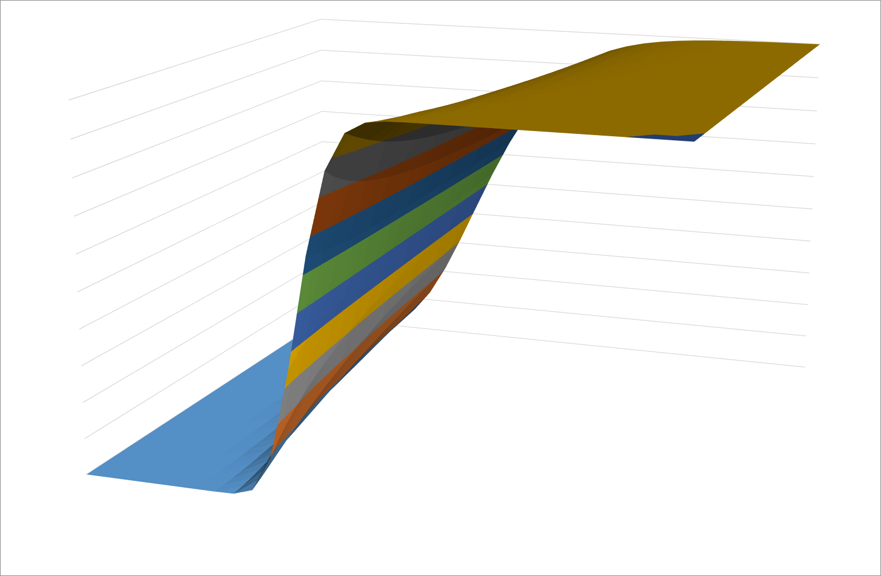

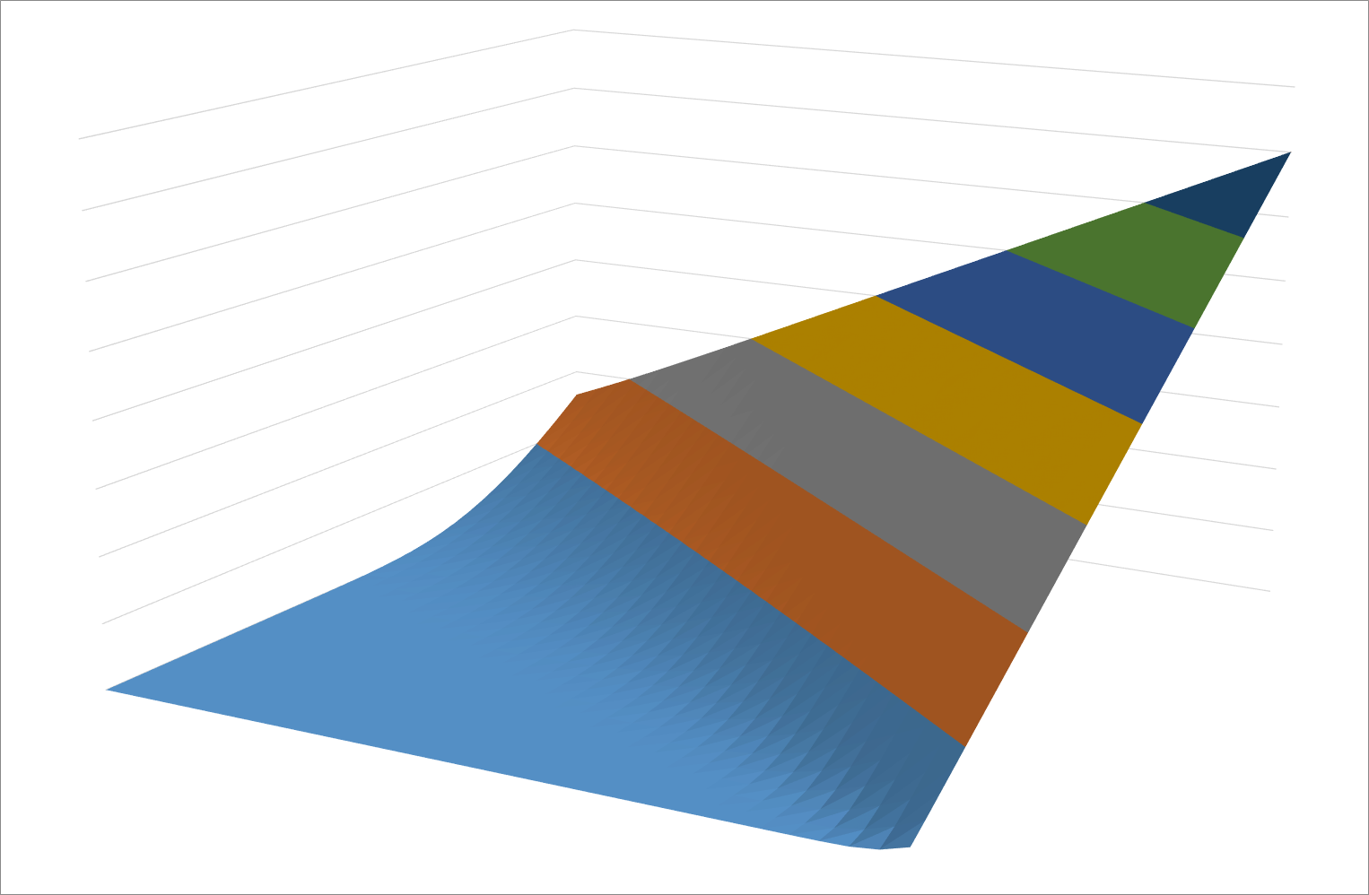
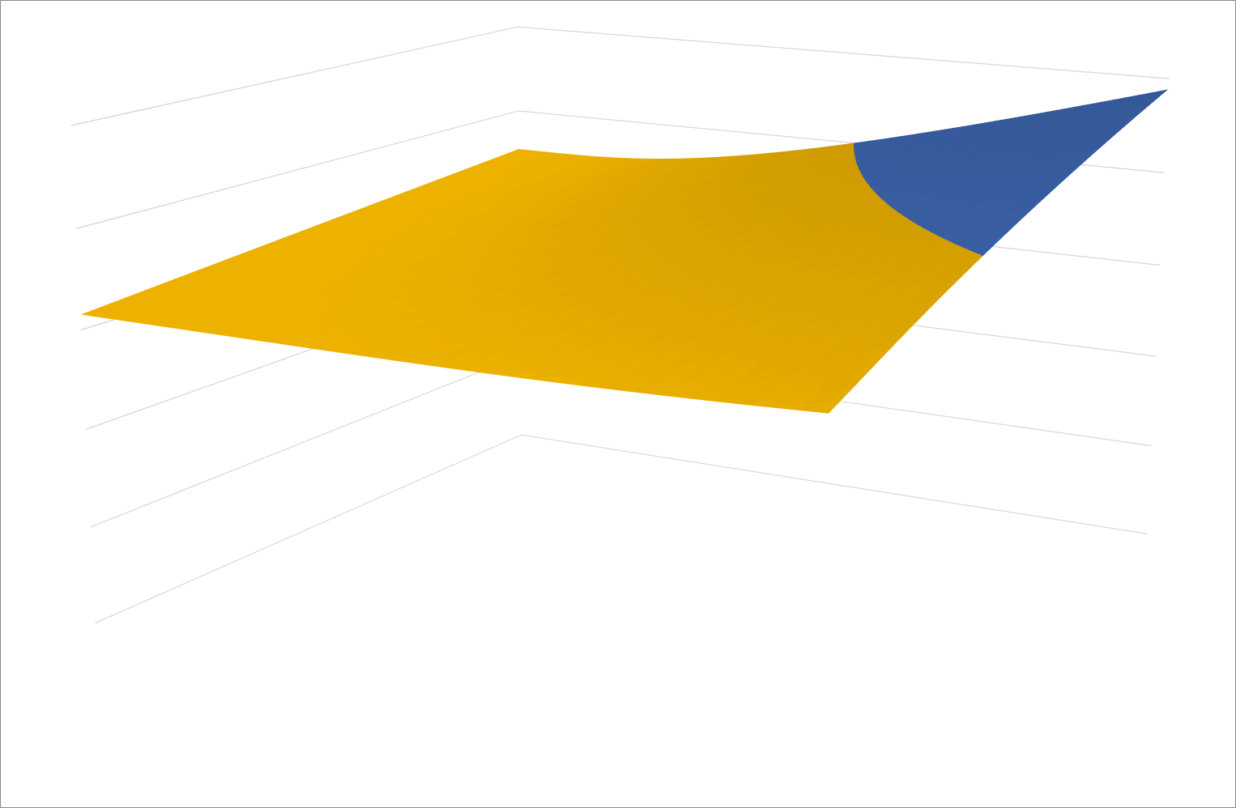
Some graphical representations…

